Sheet1
DATE | INV NO. | DESCRIPTIONS | AMOUNT | BILLS | PRICE | SUBTOTAL | TOTAL
17-Oct-2025 | 1197 | Thermal paper 80 x 80 | 50 | 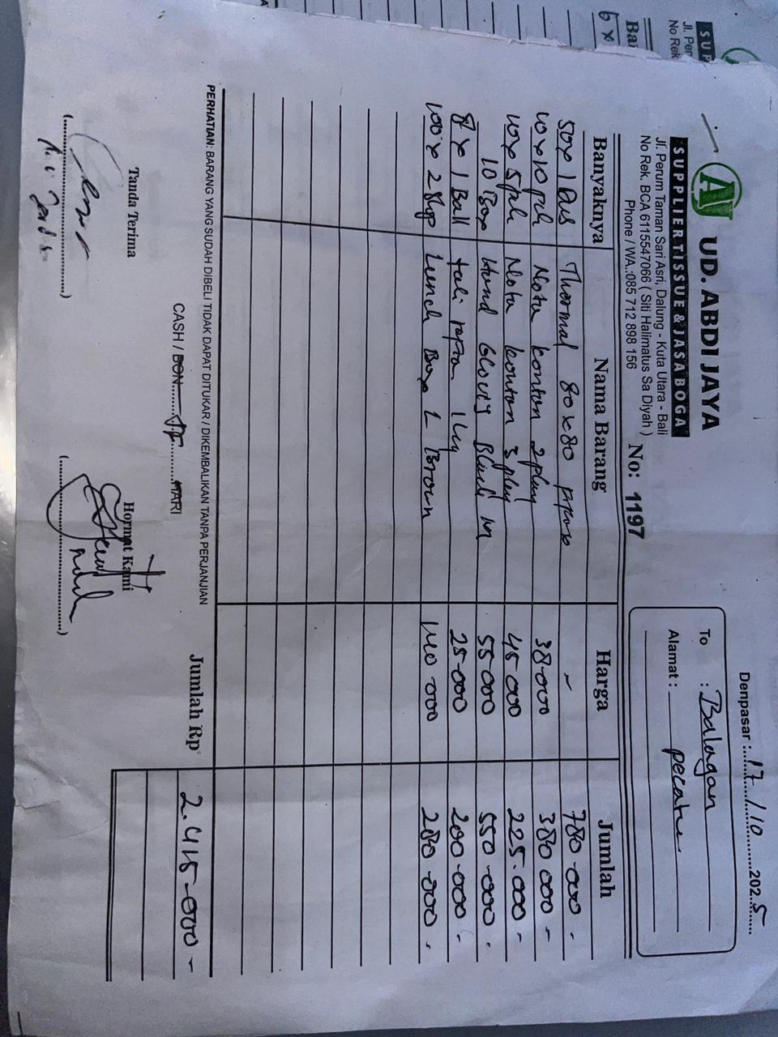 | IDR 15,600 | IDR 780,000 | IDR 2,415,000 | 15600
 |  | Nota kontan 2 play | 10 |  | IDR 38,000 | IDR 380,000
 |  | Nota kontan 3 play | 5 |  | IDR 45,000 | IDR 225,000
 |  | Hand Gloves Black M | 10 |  | IDR 55,000 | IDR 550,000
 |  | Plastic rope | 8 |  | IDR 25,000 | IDR 200,000
 |  | Lunch box L brown | 2 |  | IDR 140,000 | IDR 280,000
18-Oct-2025 | 1378 | Paper cup 12 Oz Brown | 20 | 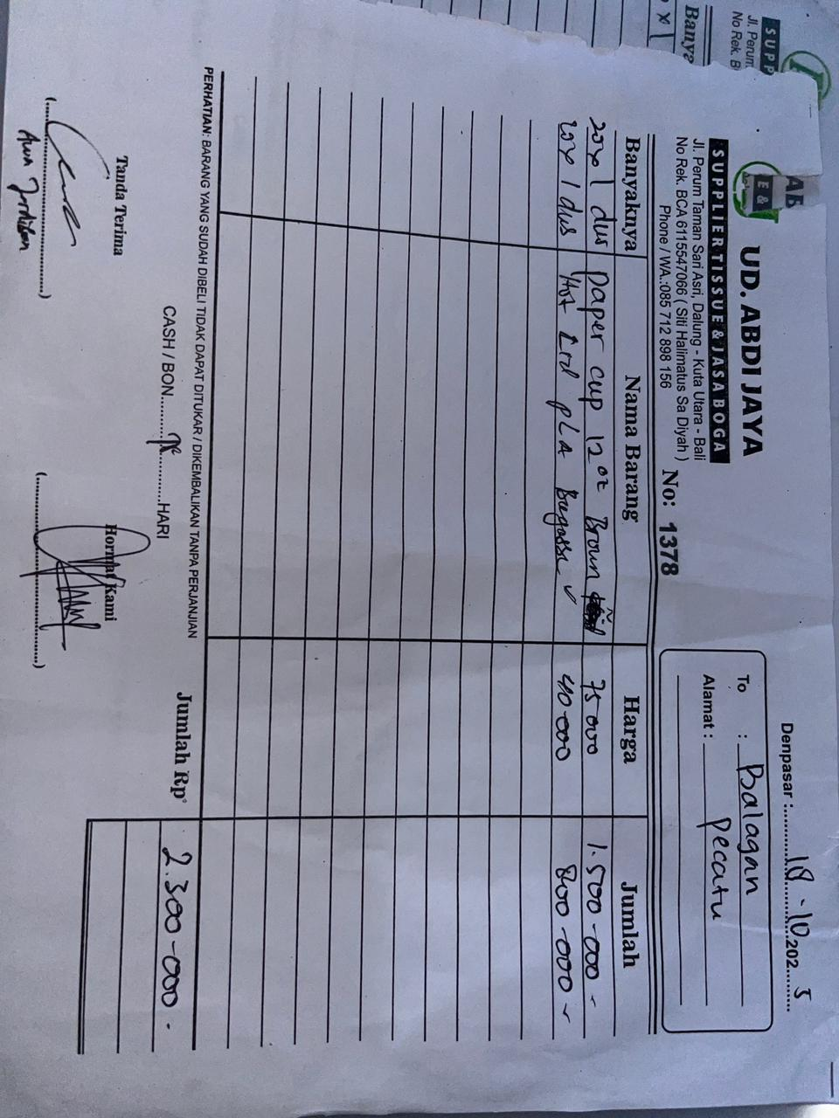 | IDR 75,000 | IDR 1,500,000 | IDR 2,300,000
 |  | Hot Lid PLA | 20 |  | IDR 40,000 | IDR 800,000
 |  |  |  |  |  |  | Rp4,715,000

